SCRIPT
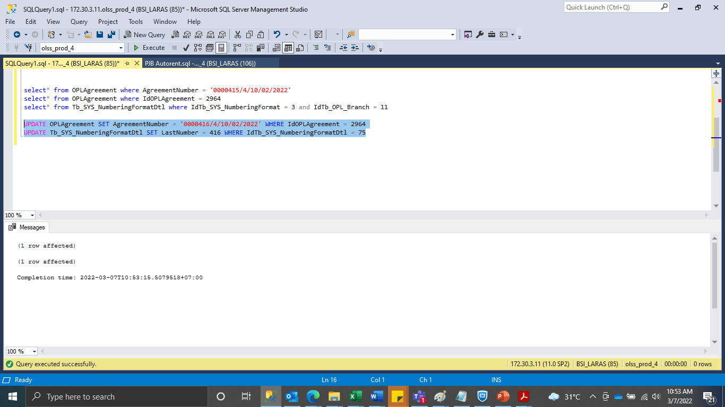
UPDATE OPLAgreement SET AgreementNumber = '0000416/4/10/02/2022' WHERE IdOPLAgreement = 2964
UPDATE Tb_SYS_NumberingFormatDtl SET LastNumber = 416 WHERE IdTb_SYS_NumberingFormatDtl = 75

SS
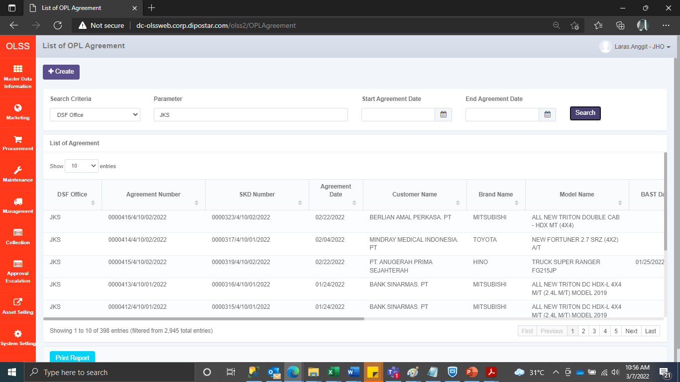
BEFORE
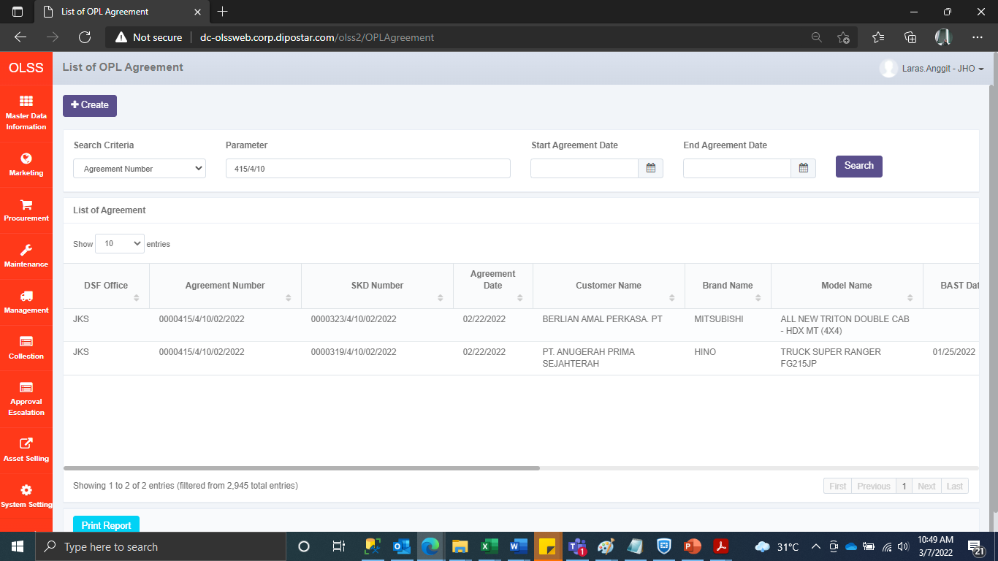

AFTER

